Sheet1
 | Document No. | Issue No. |  | Issue Date |  | Review and Replace Date |  | Authorised By
 | GFF331MC | 6 |  | 11.10.2021 |  | 17.10.2025
 | Document Title | 12 Lancashire Cheese & Plum Parcels 240g
 | Film updated |  |  |  | Page |  | 1 of 1 | Magda Shah
Document amendments reason for change |  |  |  |  | Previous Issue Date |  | 16.10.2024 | Uncontrolled copy unless signed original

CVLCPJP-R1TEB | BOOTHS - XMAS |  | 12 Lancashire Cheese & Plum Parcels 240g
STEP 1 |  |  |  |  | STEP 2
 |  |  |  |  | 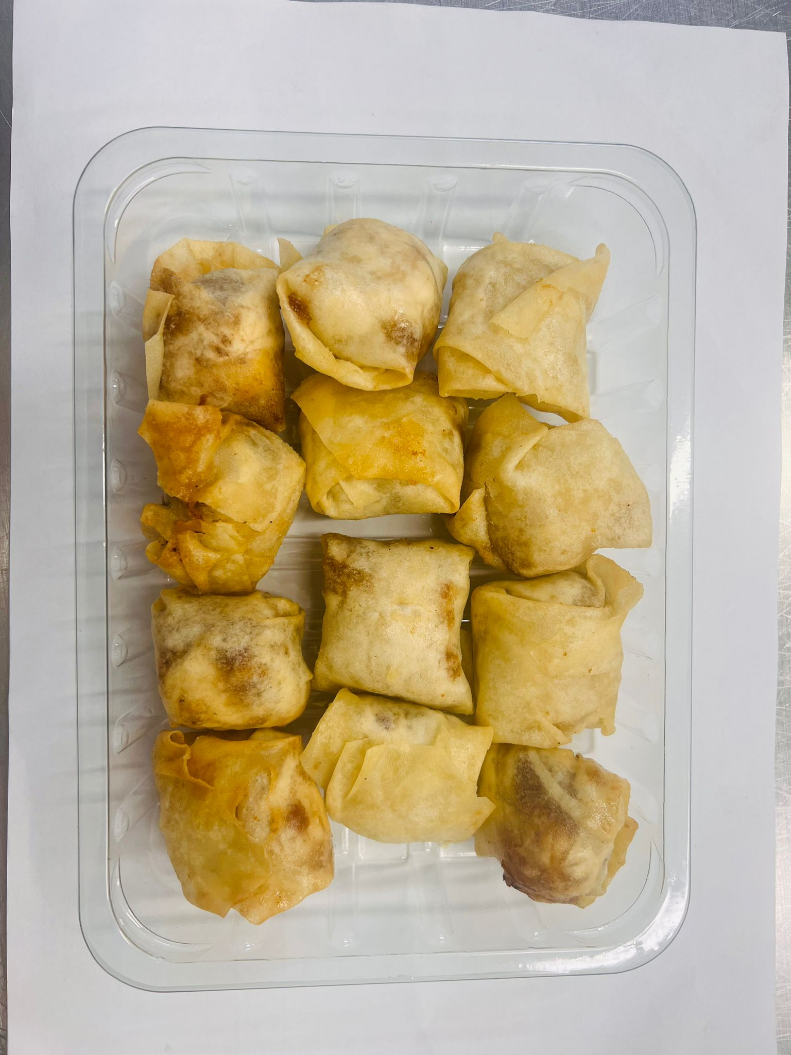

DEFROST DAY + 16 DAYS

Tray: SK4 Plain Clear (PKESS001-07) |  |  |  |  | 12 x Lancashire Cheese & Plum Parcels 20g (GFF393R): 240g
Film: AF Weld Film (300mmX1000lm)- (1X1000) -PKKMP001-07
TOTAL WEIGHT: 240g

ALLERGY ALERT: MILK, WHEAT

